Squad Possession 2023-2024 Prem
 | Bournemouth

POSSESSION | 44

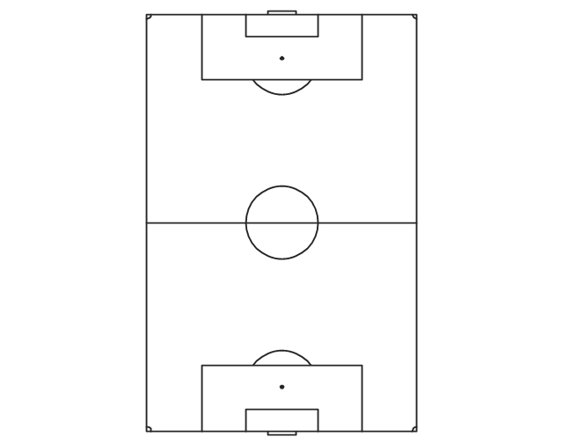
 |  | 509

 |  | 2809

 |  | 4550

 |  | 3734

 |  | 1343

